HFA
Family First Evidence-Based Practice Exploration & Cost Tool | Healthy Families America (HFA)

 | Enter your jurisdiction, agency or provider specific information in the yellow boxes. Staff salary, FTE and fringe are placeholders and will vary based by region. Please consider salary ranges for your provider staff in your area for similar programs. In terms of start up costs, please consider whether you will be engaging sites that are new to the model.

Number of anticipated provider agencies: | 1
Number of anticipated teams: | 4
Number served by a team in a year | 360
Total Number of Cases Served in a year: | 1440
Total Number of Staff | 29

 | Supervisors | Direct Service Staff |  | Program Managers
Team staffing ratio: | 1 | 6 |  | 1
Number of staff based on teams: | 4 | 24 |  | 1
Yearly salary: | $54,600.00 | $35,700.00 |  | $65,100.00
Percent of Time: | 100% | 100% |  | 50%
Fringe Benefits: | 25% | 25% |  | 25%

 | Breakdown of Direct Service Staff
# of cross-trained Family Support Specialists: | 6
# of Family Resource Specialists: | 0

Mileage Reimbursement Rate: | 0.575
Expected Mileage per Month per Staff: | 400
Staff Telecommunications by agency: | $12,000.00
Staff Office Supplies & Utilities by agency: | $12,000.00
Staff Occupancy (Rent & Taxes) by agency: | $60,000.00

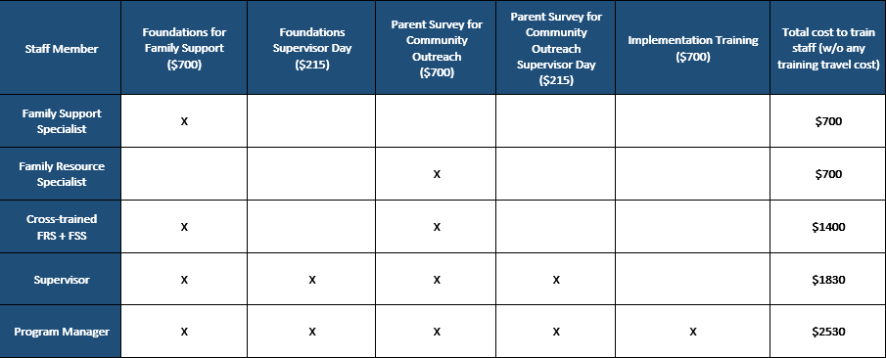
 | Training Cost Matrix

 | To calculate the training rate below, determine if you are planning to use any of the optional/add-on training options.
 | Initial Implementation Program Costs
 |  | Year 1 | Year 2 | Year 3 | Notes
 | Direct Fixed Expenses
 | Initial Staff Training
 | Initial Training - Supervisor | $1,830.00 | $- | $-
 | Initial Training - Program Manager | $2,530.00 | $- | $-
 | Initial Training - Family Support | $4,200.00 | $- | $-
 | Initial Training - Family Resource | $- | $- | $-

 | Measurement Tools/Database/Evaluation
 | ASQ Materials | $1,000.00
 | Data System |  |  |  | Optional. See pop-up note
 | Other Measurement Tools | $500.00 | $500.00 | $500.00

 | Affiliate and Accreditation
 | Annual Fees | $5,000.00 | $5,000.00 | $5,000.00 | See popup note
 | Affiliate Application Fee | $500.00 | $- | $-
 | Accreditation Application Fee |  | $250.00 | $-

 | Assessments
 | Parenting Materials/Curriculum | $8,400.00 | $8,400.00 | $8,400.00 | See popup note
 | Family Support Group Meetings |  |  |  | Optional. See pop-up note

 | Total | $23,960 | $14,150 | $13,900

 | Direct Variable Expenses
 | Staffing & Benefits
 | Salary for Supervisor | $218,400.00 | $218,400.00 | $218,400.00
 | Salary for Direct Service Staff | $856,800.00 | $856,800.00 | $856,800.00
 | Salary for Program Manager | $32,550.00 | $32,550.00 | $32,550.00
 | Fringe Benefits | $276,937.50 | $276,937.50 | $276,937.50

 | Other
 | Advisory Board Meetings | $412.00 | $412.00 | $412.00 | Model developer estimates at $103 per quarter
 | Staff Transportation | $80,040.00 | $80,040.00 | $80,040.00
 | Staff Telecommunications | $48,000.00 | $48,000.00 | $48,000.00
 | Staff Office Supplies & Utilities | $48,000.00 | $48,000.00 | $48,000.00
 | Staff Occupancy (Rent & Taxes) | $240,000.00 | $240,000.00 | $240,000.00

 | Total | $1,801,139.50 | $1,801,139.50 | $1,801,139.50

 | Total Direct Costs | $1,825,099.50 | $1,815,289.50 | $1,815,039.50

 | Indirect Expenses
 | Indirect Costs
 | Administration estimated at 10% | $182,509.95 | $181,528.95 | $181,503.95

 | Total Indirect Costs | $182,509.95 | $181,528.95 | $181,503.95

 | Total Program Costs | $2,007,609.45 | $1,996,818.45 | $1,996,543.45
 | Estimated Cost per Family | $1,394.17 | $1,386.68 | $1,386.49

 | Cost-Related Resources from the Developer:
 | Using FFPSA Funds for HFA Home Visiting Services
 | Developer Contact: Amy Faugas, afaugas@preventchildabuse.org

 | Benefit-Cost Analysis
 | The Washington State Institute for Public Policy benefit-cost model estimates the dollar value of offering a program—a defined set of government efforts—to an additional person. The WSIPP benefit-cost model does this by valuing changes in outcomes (e.g. crime, depression, test scores) produced by programs and comparing them to the costs of providing those programs.

 | HFA (Public Health & Prevention: Home- or Family-based) Benefit-Cost Summary
 | Benefits minus costs: $2,286
 | Benefit to cost ratio: $1.43
 | Chance the program will produce benefits greater than the costs: 58%
 | Click here for more on WSIPP's BSFT Benefit-Cost Analysis

SafeCare
Family First Evidence-Based Practice Exploration & Cost Tool | SafeCare
 | Enter your jurisdiction, agency or provider specific information in the yellow boxes. Staff salary, FTE and fringe are placeholders and will vary based by region. Please consider salary ranges for your provider staff in your area for similar programs.

Number of anticipated provider agencies: | 1
SafeCare standard caseload size: | 15
Total number of staff | 8
Total Number of Cases Served in a year: | 260

 | Coaches | Providers
Program average for team staffing ratio: | 2 | 6
Yearly salary: | $45,000.00 | $40,000.00
Percent of Time: | 100% | 100%
Fringe Benefits: | 25% | 25%

Mileage Reimbursement Rate: | 0.575
Expected Mileage per month per Staff: | 400
Staff Telecommunications by agency: | $12,000.00
Staff Office Supplies & Utilities by agency: | $12,000.00
Staff Occupancy (Rent & Taxes) by agency: | $60,000.00

 | The below assumes for the initial Year 1 implementation of SafeCare that the agency is completing phases 1 - 3 of the training pyramid in the image further below. SafeCare has additional Year 2+ accreditation costs and training options for agencies that wish to further expand, which includes training the Coach to be the Trainer of the SafeCare model and encompasses the fourth tier of the training pyriamid. Most agencies do not train a Trainer but rather maintain their implementation at the Coach stage.

 | Initial Implementation Program Costs
 |  | Year 1 | Year 2 | Notes
 | Direct Expenses
 | Initial Training
 | Pre-Implementation Planning and Orientation Seminar | $2,000.00
 | Provider Training Workshop and Implementation Support | $22,824.00 |  | $2,853 per trainee | See comment attached to your question.
 | Coach Training Workshop and Certification Support | $10,826.00 |  | $5,413 per Coach trainee
 | NSTRC In-Person Training Specialist Travel Costs | $3,100.00 |  | In-person training only. Zero out if opting for virtual format.
 | Accreditation & Licensing
 | Accreditation and Staff Licensing |  | $3,000.00
 | Fidelity Assessment |  | $5,500.00
 | Staffing & Benefits
 | Salary for Coach | $90,000.00 | $90,000.00
 | Salary for Providers | $240,000.00 | $240,000.00
 | Fringe Benefits | $82,500.00 | $82,500.00
 | Other
 | Staff Transportation | $16,560.00 | $16,560.00
 | Staff Telecommunications | $12,000.00 | $12,000.00
 | Staff Office Supplies & Utilities | $12,000.00 | $12,000.00
 | Staff Occupancy (Rent & Taxes) | $60,000.00 | $60,000.00

 | Total Direct Costs | $551,810.00 | $521,560.00

 | Indirect Expenses
 | Indirect Costs
 | Administration estimated at 10% | $55,181.00 | $52,156.00

 | Total Indirect Costs | $55,181.00 | $52,156.00

 | Total Program Costs | $606,991.00 | $573,716.00
 | Estimated Cost per Family | $2,334.58 | $2,206.60

 | Cost-Related Resources from the Developer:
 | Path from SafeCare Provider to SafeCare Trainer
 | *An exact price for training and implementation can be determined based on the actual number of Providers, Coaches, Sites, training location (city and state), and timeline. Depending on the configuration of trainees, an implementation plan may be customized to reduce costs. SafeCare will also work with jurisdictions to create a sustainability plan to allow for ongoing training to efficiently manage attrition. Second year costs will include an annual accreditation fee, and ongoing training supports for Coaches and Providers.

 | 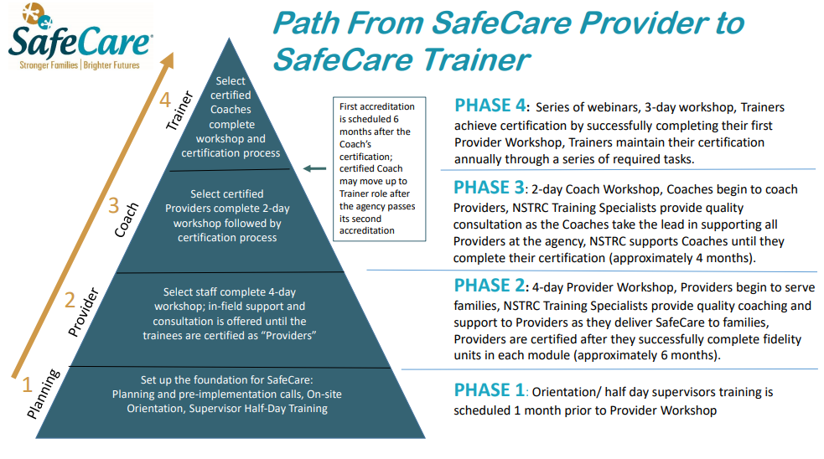
 | Developer Contact: JoAnne Bielecki, jbielecki@gsu.edu; 404-413-1340, safecare@gsu.edu
 | Benefit-Cost Analysis
 | The Washington State Institute for Public Policy benefit-cost model estimates the dollar value of offering a program—a defined set of government efforts—to an additional person. The WSIPP benefit-cost model does this by valuing changes in outcomes (e.g. crime, depression, test scores) produced by programs and comparing them to the costs of providing those programs.

 | SafeCare Benefit-Cost Summary
 | Benefits minus costs: $3,861
 | Benefit to cost ratio: $20.82
 | Chance the program will produce benefits greater than the costs: 94%
 | Click here for more on WSIPP's SafeCare Benefit-Cost Analysis

